KCNY
Brand | Image | Style Name | Color | PAIRS | 7 | 7.5 | 8 | 8.5 | 9 | 9.5 | 10 | 10.5 | 11 | 11.5 | 12 | 13
KENNETH COLE NY | 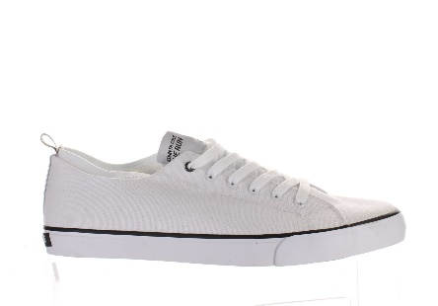 | THE RUN | WHITE | 12 | 7 | 1 | 4
KENNETH COLE NY |  | THE RUN | BLACK | 14 |  |  | 5 |  |  | 1 | 1 | 1 | 6
KENNETH COLE NY | 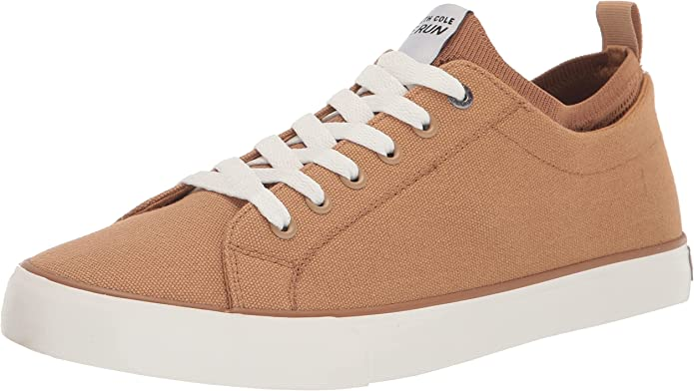 | THE RUN | KHAKI | 242 | 23 | 24 | 21 | 22 | 19 | 18 | 16 | 18 | 20 | 22 | 19 | 20
KENNETH COLE NY | 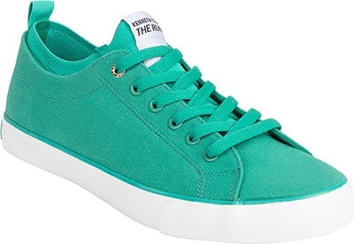 | THE RUN | GREEN | 294 | 25 | 25 | 25 | 25 | 24 | 25 | 24 | 23 | 24 | 25 | 24 | 25
KENNETH COLE NY |  | THE RUN | NAVY | 11 | 2 | 1 |  |  |  | 2 | 1 | 1 | 1 | 1 |  | 2
KENNETH COLE NY | 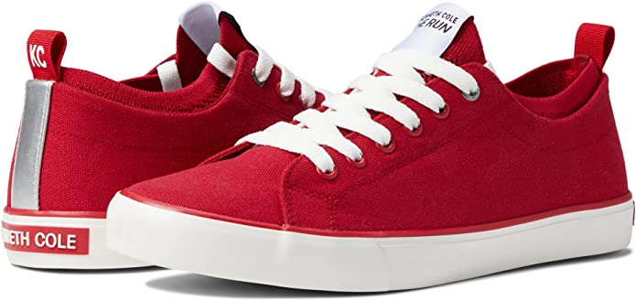 | THE RUN | RED | 264 | 21 | 22 | 23 | 22 | 25 | 22 | 22 | 21 | 22 | 22 | 20 | 22
 |  |  |  | 837

